1. Title Page
Grocery Basket Analysis

Project Name: Instacart Grocery Basket Analysis
Date: 12/6/2022
Analyst Name: Judith Ifarinde Lay

Contents:
Population Flow
Consistency checks
Wrangling steps
Column derivations
Visualizations
Recommendations

Citation: “The Instacart Online Grocery Shopping Dataset 2017”, Accessed from https://www.instacart.com/datasets/grocery-shopping-2017 on [12/6/2022].

2. Population Flow
Instacart Grocery Basket Analysis

Population flow

Exclusion flag
Condition: max_order < 5
Obervations to be removed: 5
Final total count of order_products_all: 32404859

Orders_products_combined
Orders_products_merged
Orders_products_all

Total: 32404859
Total: 32434489
Total: 32404859

1.) The grey boxes in the first row of the population flow represent the original data sets as they were when you downloaded them. In the Total fields you need to add the count of the rows when you imported the data set into Jupyter.
2.) The second row of boxes (coloured) represents the data sets after you manipulated them, e.g., removed missing values and duplicates. In the Total fields you need to add the count of the rows after conducting these operations. This offers a visual oveview of how the data flows throughout the data consistency checks.
3.) The third row, where also the arrows are coloured, represents the merges you performed between the datasets. In the Total fields you need to add the count of the rows in the merged datasets, so that you end up with the final dataset (in the red box). Keep in mind the final dataset should be without exclusions (based on the exclusion flag).

3. Consistency checks
 |  |  |  | Instacart Grocery Basket Analysis
Consistency checks

Dataset | Missing values | Missing values treatment | Duplicates
orders | 16 (product_name) | Left as missing | 5
products | 206206 (days_since_prior_order) | Left as NaN | none
orders_products_prior | none | none | none
customers | 111259 (first_name) | Left as missing | none
departments | none | none | none

4. Wrangling steps
 |  |  |  | Instacart Grocery Basket Analysis
Wrangling steps

Columns dropped | Columns renamed | Columns' type changed | Comment/Reason
eval_set |  |  | Unnecessary information
 | order_dow |  | To make the header easier to understand
 | order_hour_of_day |  | To make the header easier to understand
 |  | order_id | Change datatype to string
 |  | user_id | Changed datatype to string
Unnamed: 0 |  |  | Unnecessary information
_merge |  |  | Unnecessary information
 | First Name |  | To make the header easier to understand
 | Surnam |  | To make the header easier to understand
 | Gender |  | To make the header easier to understand
 | STATE |  | To make the header easier to understand
 | Age |  | To make the header easier to understand
 | n_dependants |  | To make the header easier to understand

5. Column derivations
 |  |  |  |  | Instacart Grocery Basket Analysis
In this tab you should add tables below that the frequences of flags/label variables that you produced after deriving them. NB: don't do this for continuous variables, only for flags.
Column derivations and aggregations

Dataset | New column | Column/s it was derived from | Conditions
order_products_derived | price_range_loc | prices | If price is > 15, then "High-range product" If price is <= 15 and > 5, then "Mid-range product" If price is <= 5,then "Low-range product" | Mid-range product 21860860 Low-range product 10126321 High-range product 417678
 | busiest_day | orders_day_of_week | If day is 0, then "Busiest day" If day is 4, then "Least busy" If else, then "Regularly busy" | Regularly busy 22416875 Busiest day 6204182 Least busy 3783802
 | busiest_days | orders_day_of_week | If order hour is 0 or 1, then "Busiest days" If order hour is 3 or 4, then "Slowest days" If else, then "Regular days" | Regular days 12916111 Busiest days 11864412 Slowest days 7624336
 | busiest_period_of_day | time_of_order | If order hour is >= 0 and <= 6 or = 23, then "Fewest Orders" If order hour is >= 9 and <= 16, then "Most Orders" If else, then "Average Orders" | Most Orders 21118071 Average Orders 9997651 Fewest Orders 1289137
order_products_derived_2 | max_order | order_number | Calculated the maximum orders for each user
 | loyalty_flag | max_order | If max order is > 40, then "Loyal Customer" If max order is <= 40 and > 10, then "Regular Customer" If max order is <= 10, then "New Customer" | Regular customer 15876776 Loyal customer 10284093 New customer 6243990
 | mean_price | prices | Calculated the mean price for each product price for each user
 | spender_flag | mean_price | If mean price is < 10, then "Low Spender" If mean price is >= 10, then "High Spender" | Low spender 31770614 High spender 634245
 | median_days_since_prior_order | days_since_prior_order | Calculated the median of each number of days since prior order for each user
 | frequency_flag | median_days_since_prior_order | If median days since prior order is > 20, then "Non-frequent customer" If median days since prior order is > 10 and <= 20, then "Regular customer" If median days since prior order is <= 10, then "Frequent customer" | Frequent customer 21559853 Regular customer 7208564 Non-frequent customer 3636437 NaN 5
 | days_since_prior_order | new_customer | If days since prior order is >= 0, then "False" If else, then "True" | False 30328763 True 2076096
order_products_final | region | state | region1 = ['Maine', 'New Hampshire', 'Vermont', 'Massachusetts', 'Rhode Island', 'Connecticut', 'New York', 'Pennsylvania', 'New Jersey'] is "Northwest" region2 = ['Wisconsin', 'Michigan', 'Illinois', 'Indiana', 'Ohio', 'North Dakota', 'South Dakota', 'Nebraska', 'Kansas', 'Minnesota', 'Iowa', 'Missouri'] is "Midwest" region3 = ['Delaware', 'Maryland', 'District of Columbia', 'Virginia', 'West Virginia', 'North Carolina', 'South Carolina', 'Georgia', 'Florida', 'Kentucky', 'Tennessee', 'Mississippi', 'Alabama', 'Oklahoma', 'Texas', 'Arkansas', 'Louisiana'] is "South" region4 = ['Idaho', 'Montana', 'Wyoming', 'Nevada', 'Utah', 'Colorado', 'Arizona', 'New Mexico', 'Alaska', 'Washington', 'Oregon', 'California', 'Hawaii'] is "West"
 |  |  |  | South 10791885 West 8292913 Midwest 7597325 Northeast 5722736

 | activity_flag | max_order | If max order is < 5, then "Low Activity" If max order is >= 5, then "High Activity" | High Activity 30964564 Low Activity 1440295
 | age_group | age | If age is <= 35, then "Young Adult" If age is > 35 and < 60, then "Middle-Aged Adult" If age is >= 60, then "Old Adult" | Middle-Aged Adult 12191185 Old Adult 11067255 Young Adult 9146419
 | income_group | income | If income is <= 90000, then "Lower Class" If income is > 90000 and < 200000, then "Middle Class" If income is >= 200000, then "Upper Class" | Middle Class 18334789 Lower Class 13811627 Upper Class 258443
 | family_status_group | num_dependants | If the number of dependants is = 0, then "Single Family Household" If the number of dependants is > 0 and <= 2, then "Small Family Household" If the number of dependants is > 2, then "Large Family Household" | Small Family Household 16172247 Large Family Household 8135109 Single Family Household 8097503
 | baby_status | department | Calculated where the number of people who bought from the babies department | 0 (No) 22431550 1 (Yes) 9973309
 | pet_status | department | Calculated where the number of people who bought from the pets department | 0 (No) 28876718 1 (Yes) 3528141

6. Visualizations
 | Instacart Grocery Basket Analysis

Visualisations

In this tab you should include all the visualtions from Exercises 4.9 and 4.10, alongside the questions from the project brief that they answer. Include any commentary on the relationship between different variables.


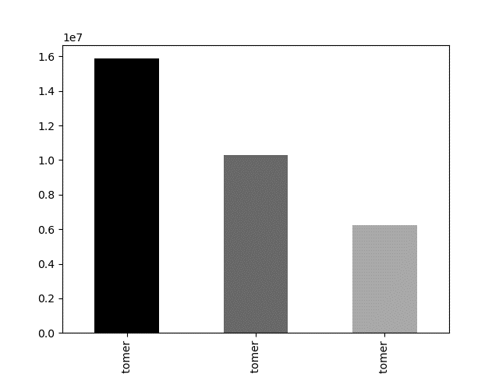

 |  | A bar chart of the customer type, sorted into regular, loyal, or new. Most customers are regular customers than loyal customers.
A bar chart sorted of the frequency of orders each day of the week; sorted from largest to smallest with color.

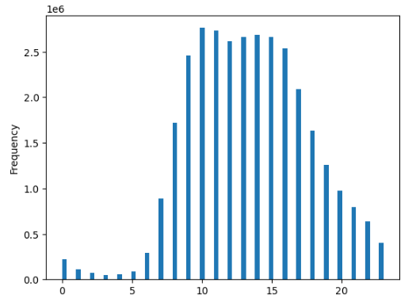


 |  | A histogram of the frequency of prices grouped in bins of 70.
A histogram of the frequency of day of orders grouped in bins of 70.

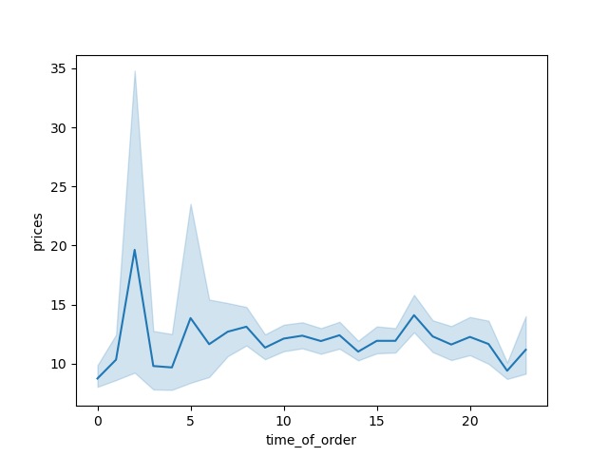
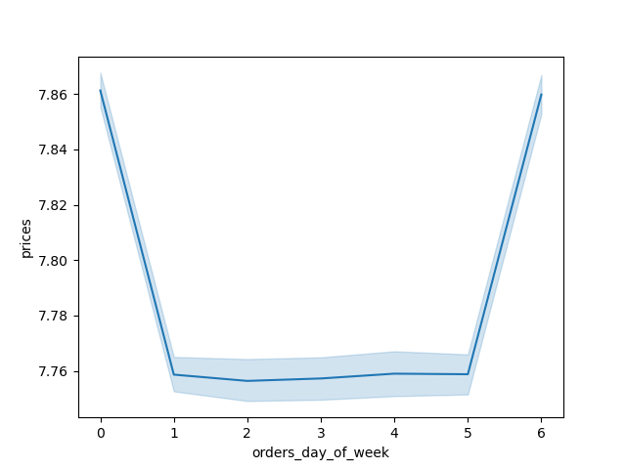

Customers seem to place the highest orders early in the morning between 2 to 3 am while the lowest price orders tend to be around 5 am. After 5 am the prices start to increase and remain stable between 10 to 18 o'clock. |  | A line chart of a small subset (approximately 30% of the complete dataset) shows the total prices per day of the week.

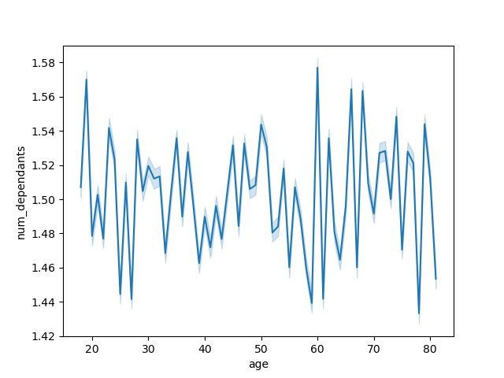



 |  | There is no clear correlation between the age and number of dependants of the customers.

There seems to be a positive relationship between age and income where most customers are at or below an income of $200000.

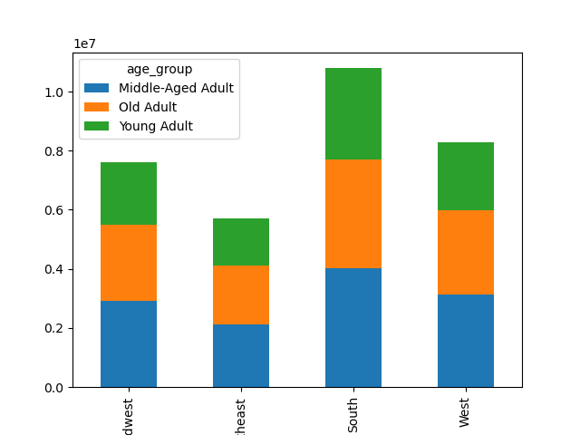
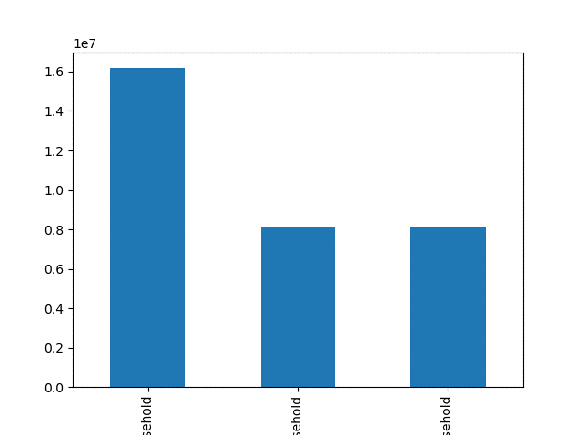

 |  | Each region seem to have a proportional age groupings. However, the South region has the highest number of customers in each age group.
Most of the customers are middle-aged adults with old adults and then young adults following right after.

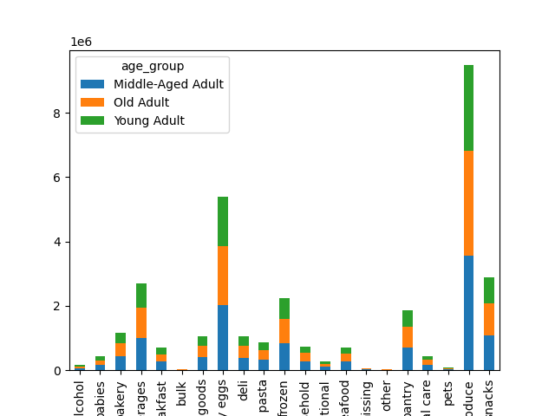
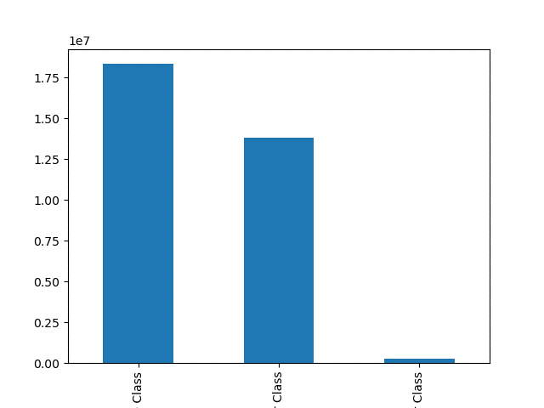

The Produce department has registered the highest sale across all age groups followed by Dairy/Eggs, Snacks and Beverages departments respectively. Most customers who purchase from the Dairy/Eggs and Produce departments are middle-aged adults follwed by old adults and then young adults. In addition, most customers who purchase from the Beverages department are middle-aged adults followed by young adults and then old adults.
 |  | Majority of customers are in the in middle class followed by the lower class and then the upper class.

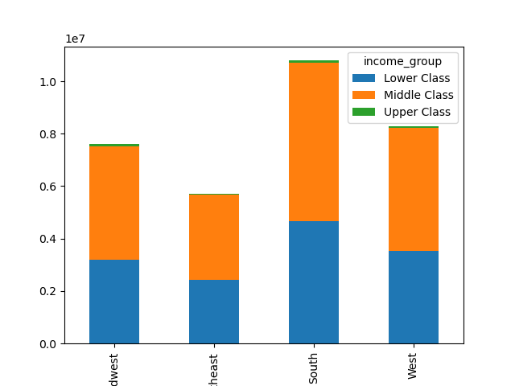

Most of the customers come from Southern states followed by the West, Midwest and then Northeast. In addtion, the lower and middle class are majority of the customer base in all four regions.
 |  | Most of the customers are small family household with 1 or 2 dependants.

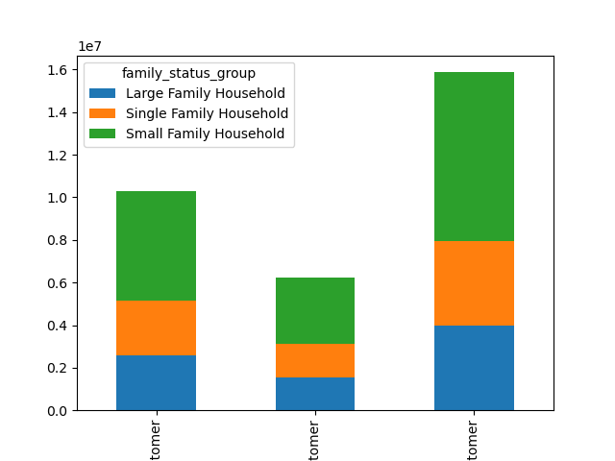

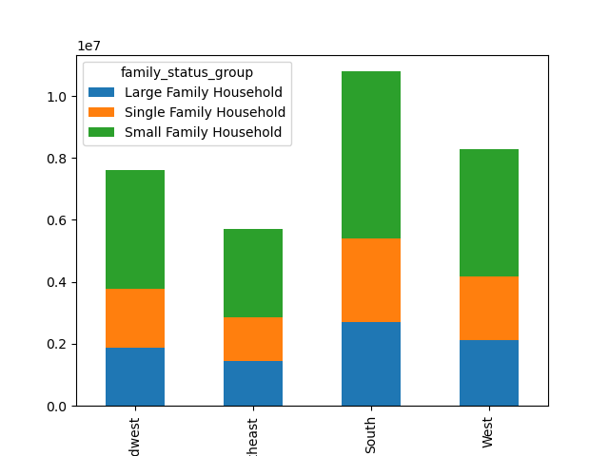

 |  | Most of the customers are regular customers. From the regular customers, majority of the households are small family, having 1-2 dependants, followed by single family households. Loyal customers are comprised mostly of small family households as well.

Most customers in all four regions are small family households followed by single family households and then large family households.

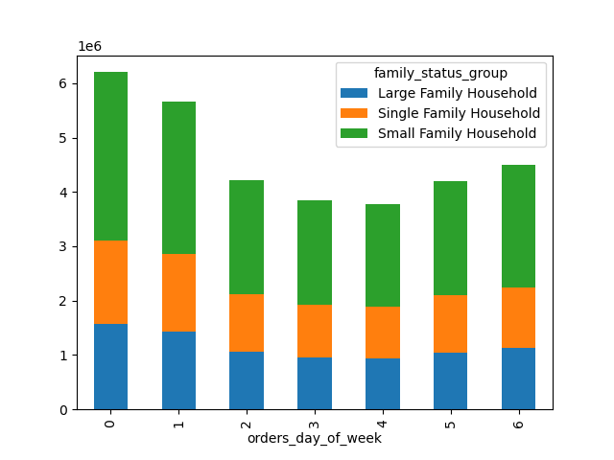

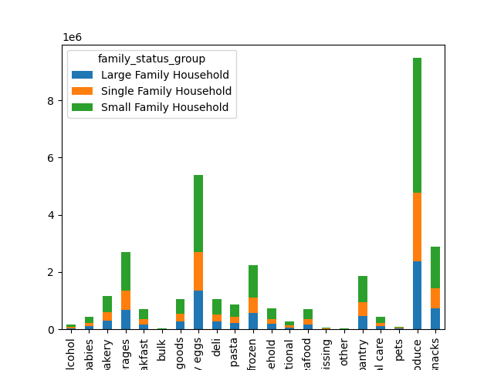

 |  | All househoulds order the post on Saturdays followed by Sundays.
In the Produce, Dairy/Eggs and Snacks departments, customer family status majority is small family, then large family followed by single family. The Bulk, Pets and Alchohol have the lowest customer numbers.

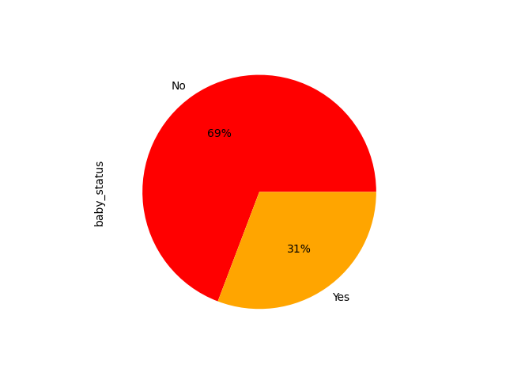

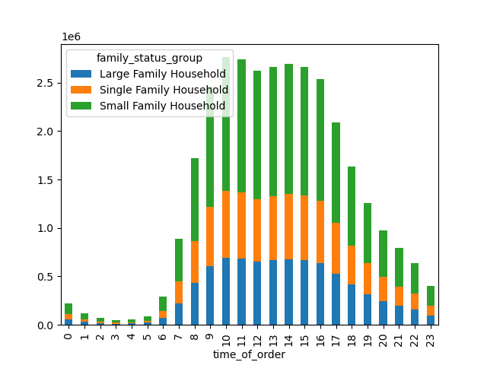

The most orders come between 10 to 16 o'clock regardless of family status. Starting at 7am onwards the orders start to increase and remain high until 15 o'clock (3pm) when they are start to decline. The lowest amount of orders takes place during the early morning of 0 to 6 o'clock.
 |  | 31% of the products sold are baby products.

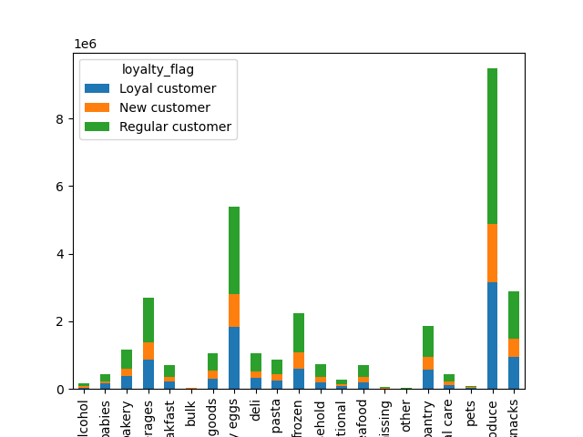

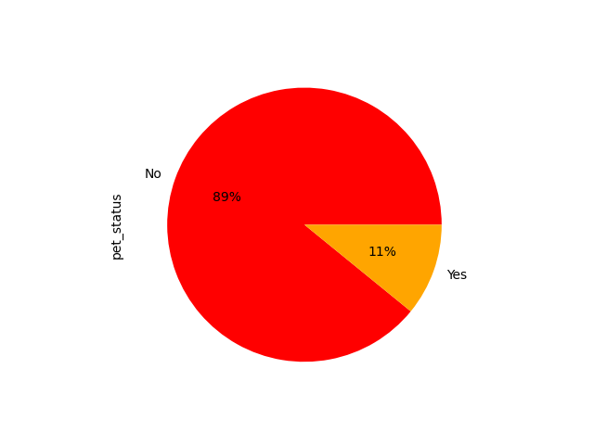

 |  | For all departments, regular customers are the majority.

11% of the products sold are pet products.

7. Recommendations
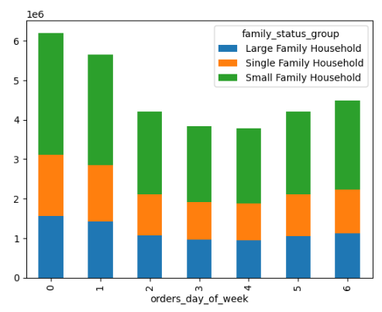
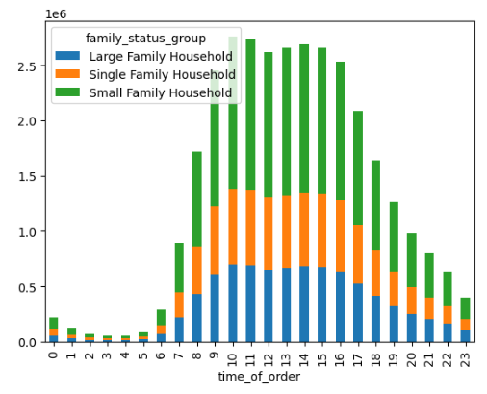
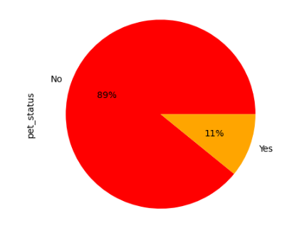
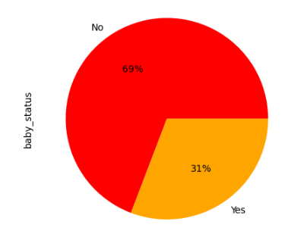
 |  | Instacart Grocery Basket Analysis

Recommendations

In this tab you should include any recommendations you would made to Instcart in terms of their marketing strategy based on the questions posed in the brief. Every key question has been covered in the Tasks of the Exercises - here you need to add an item - a visualisation or table/crosstable that is showing the answer in the data, acompanied by a comment from you. Please, list the questions below and add the answer underneath.

Question | Answer

Q: The sales team needs to know what the busiest days of the week and hours of the day are (i.e., the days and times with the most orders) in order to schedule ads at times when there are fewer orders. | The busiest times of the week on the Instacart app are Saturdays and Sundays between 8 am and 4 pm. The marketing team should schedule the most ads on Tuesdays and Wednesdays (the least busy days) and between 11 pm and 6 am( the least active hours). However, it may be difficult to encourage customers to purchase products early in the morning as most customers sleep during this period. The recommendation would be to focus the ad campaigns between 7 am to 8 am and 4 pm to 10 pm. This could increase purchase activity before and after peak hours.


Q: They also want to know whether there are particular times of the day when people spend the most money, as this might inform the type of products they advertise at these times. | According to the sample data, customers will likely purchase expensive products in the early morning between 1 am and 3 am. There are minor peaks around 5 am and again between 5 pm and 6 pm. Due to the time of day, most customers are probably asleep during this period.

Q: Instacart has a lot of products with different price tags. Marketing and sales want to use simpler price range groupings to help direct their efforts. | Instacart has many products. The price_range_loc column groups each department's products into three price categories: High-Range, Mid-Range, and Low-Range. The highest range of products is in the Meat/Seafood Department. The Produce Department has the highest amount of mid-range and low-range products.
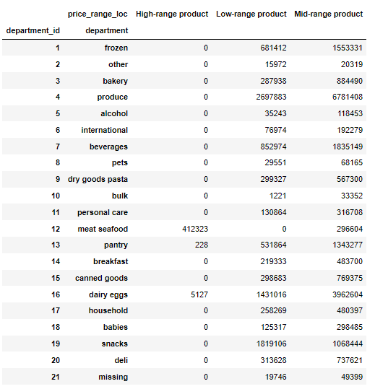

Q: Are there certain types of products that are more popular than others? The marketing and sales teams want to know which departments have the highest frequency of product orders. | The top four departments with the most purchased products are Dairy/ Eggs, Beverages, Bakery, and Deli. The bottom four departments with the least purchased products are Personal Care, Pantry, and International.
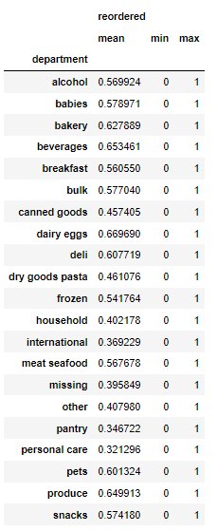

Q: What’s the distribution among users in regards to their brand loyalty (i.e., how often do they return to Instacart)? | The distribution among users regarding their brand loyalty is as follows: 32% of Instacart's customers are 'Loyal Customers' (those who have placed over 40 orders). 19% of the customer base are 'New Customers' who have placed less than 10 orders. The remaining 49% of customers are 'Regular Customers' who have placed more than 10 orders but less than 40 orders.

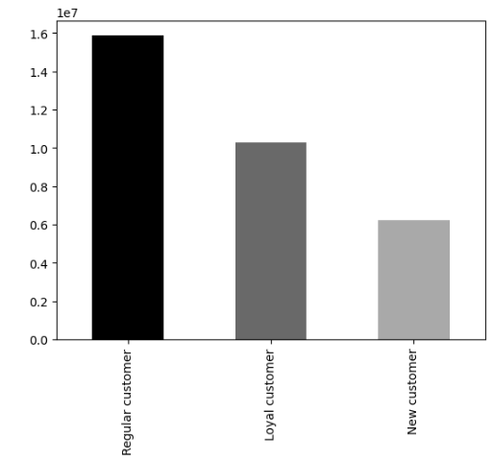
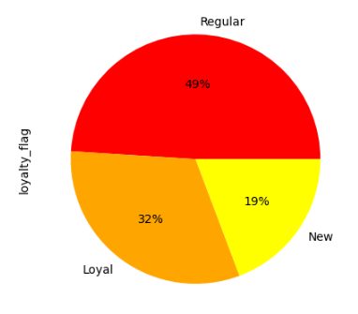

Q: Are there differences in ordering habits based on a customer’s loyalty status? | 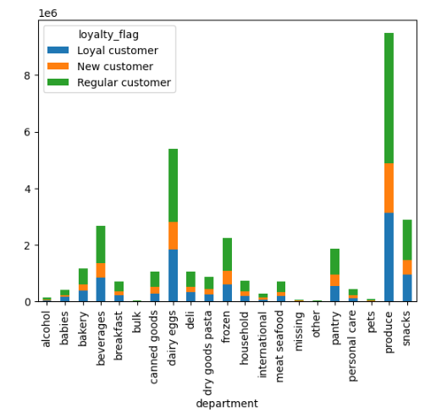 There are no significant differences in ordering habits based on a customer's loyalty status. All three levels of customers' top five departments are Produce, Dairy/Eggs, Snacks, Beverages, and Frozen.

Q: Are there differences in ordering habits based on a customer’s region? | There is no significant difference in ordering habits based on customer region. All four regions' top five departments are Produce, Dairy/Eggs, Snacks, Beverages, and Frozen.

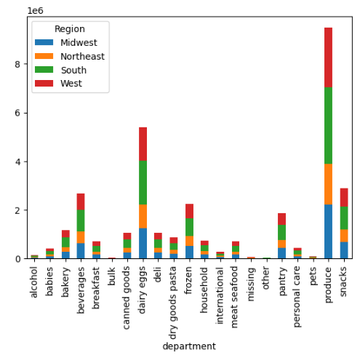

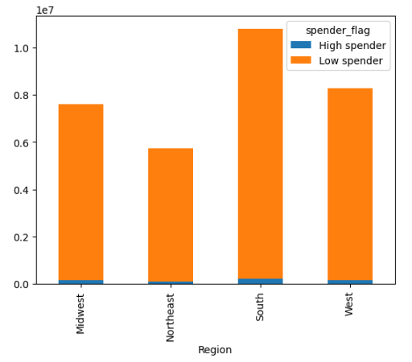

Q: Is there a connection between age and family status in terms of ordering habits? | There is no significant difference in ordering habits based on customer age or family status. Regardless of customer age or family status the top five departments are Produce, Dairy/Eggs, Snacks, Beverages, and Frozen.

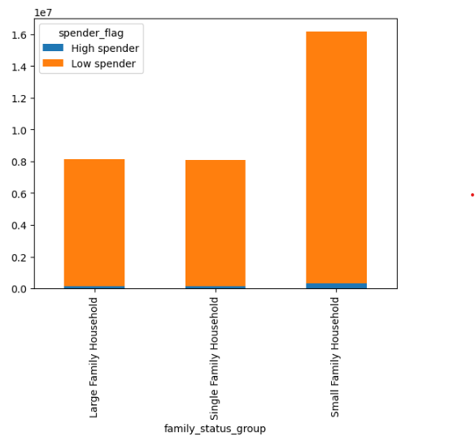
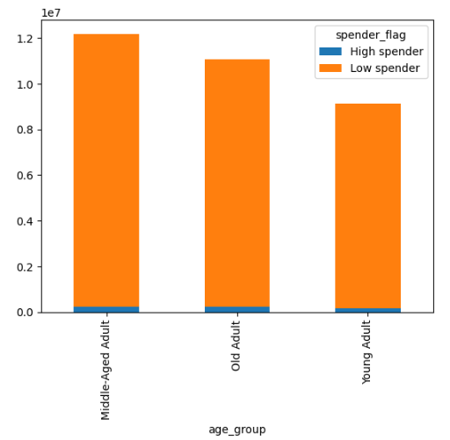

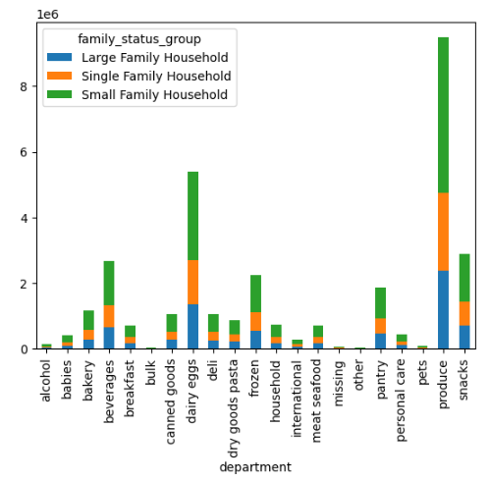
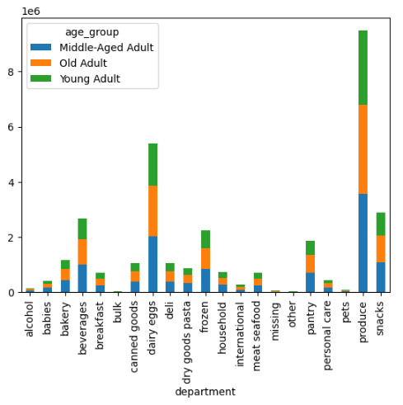

Q: What different classifications does the demographic information suggest? Age? Income? Certain types of goods? Family status? | There seems to be a positive relationship between age and income, where most customers are at or below an income of $200000. This means as customer age increases the salary (income) also increases.
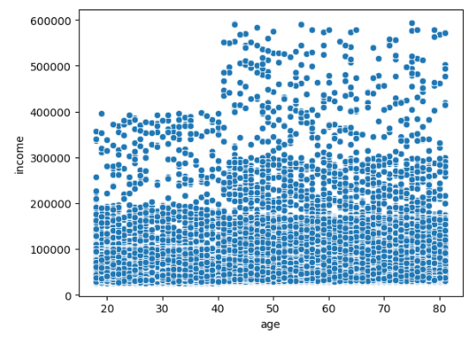

Q: What differences can you find in ordering habits of different customer profiles? Consider the price of orders, the frequency of orders, the products customers are ordering, and anything else you can think of. | All household orders are posted on Saturdays followed by Sundays. Most orders come between 10 to 16 o'clock regardless of family status. Starting at 7 am onwards the orders start to increase and remain high until 15 o'clock (3 pm) when they start to decline. The lowest amount of orders takes place during the early morning of 0 to 6 o'clock. 11% of the products sold are pet products and 31% of the products sold are baby products.

